Assembly Process Flow
Customer Board Assembly Process Flow (Generic)
Placement Machine 3
Flip board
Print Process
Paste Inspection
Placement Machine 1
Placement Machine 2
Reflow Process

Placement Machine 3
Hand Carry Brd to Pallet
Reflow Process
Print Process
Paste Inspection
Placement Machine 1
Placement Machine 2

AXI
Functional Test
ICT Test

Please provide the specific board assembly process flow that will be used for your Socket V (LGA1700) build to Intel

Materials
Materials

Attributes | Details | Attributes | Details
Solder Paste Brand | 升洋 | Socket Vendor Used | ISC
Solder Paste Model | PF606-P | Socket Lot# Used | NA
Solder Alloy | SN AG3CU0.5 | Socket Qty Built | 30
Solder Powder Size | TYPE-4
Board Size | 267mm x 247mm x 245mm x 144mm
Panel Size | 4572.88mm B828.24mm
PCB Information
PCB Supplier | GBM , APCB
PCB Surface Finish | OSP
Solder Mask Chemistry | Resin
Laminate Material Type | FR4
PCB Thickness (+/-) | 62+/-5mil

Please provide the Board File used for this build to Intel

Top Side

Reflow
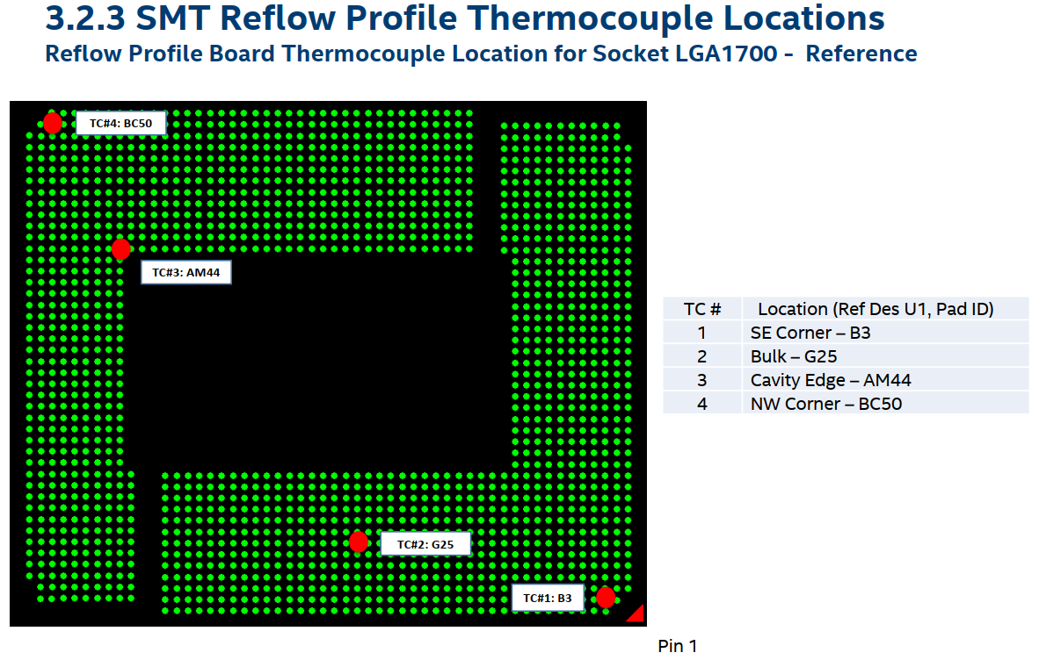
Secondary Side Reflow Process |  | Primary Side Reflow Process (Socket Side)

Attributes | Details | Attributes | Details
Reflow Machine Brand | HEELER | Reflow Machine Brand | HEELER
Reflow Machine Model | 1900EXL | Reflow Machine Model | 1900EXL
Reflow Ambient (if N2, specify O2 PPM) | 小余1000PPM | Reflow Ambient (if N2, specify O2 PPM) | 小余1000PPM
Reflow Oven Zones | 12個上下溫區 預熱區 恒溫區 迴流區 冷卻區 | Reflow Oven Zones | 12個上下溫區 預熱區 恒溫區 迴流區 冷卻區
Reflow Pallet SMT載具？ | 無載具 | Reflow Pallet SMT載具？ | 無載具
If Yes, Reflow Pallet Material | NA | If Yes, Reflow Pallet Material | NA
Clamps used for Pallet? | NO | Clamps used for Pallet? | NO
Are Pallet Product Specific or Generic | 通過鏈條傳動無載具 | Are Pallet Product Specific or Generic | 通過鏈條傳動無載具
Are boards manually placed in Reflow Pallets | 通過鏈條傳動無載具 | Are boards manually placed in Reflow Pallets | 通過鏈條傳動無載具
Reflow Belt Speed | 105CM/MIN | Reflow Belt Speed | 95CM/MIN
Reflow Peak Temperature Range | 235-250度 | Reflow Peak Temperature Range | 235-250度
Time Above Liquidus (≥ 220 oC) | 60-100SEC | Time Above Liquidus (≥ 220 oC) | 60-100SEC
Soak Range | 60-120SEC | Soak Range | 60-120SEC
Soak Time | 60-120SEC 恒溫區 | Soak Time | 60-120SEC 恒溫區
Attach screen shot of reflow profile 回焊Profile的截圖？那方面的截圖？ | TBD | Attach screen shot of reflow profile 回焊Profile的截圖？那方面的截圖？ | TBD
Raw data of reflow profile | 實際測量值爲準 | Raw data of reflow profile | 實際測量值爲準

Please send the raw data of Reflow Profile for Primary and Secondary Side to Intel
Please identify the locations where TC is attached for reflow profile board (for the Socket V/LGA1700)
Please send a picture of the reflow pallet used (for the Socket V/LGA1700)
Please Specify Board Travel Direction (for the Socket V/LGA1700)

Intel Profile Recommendations
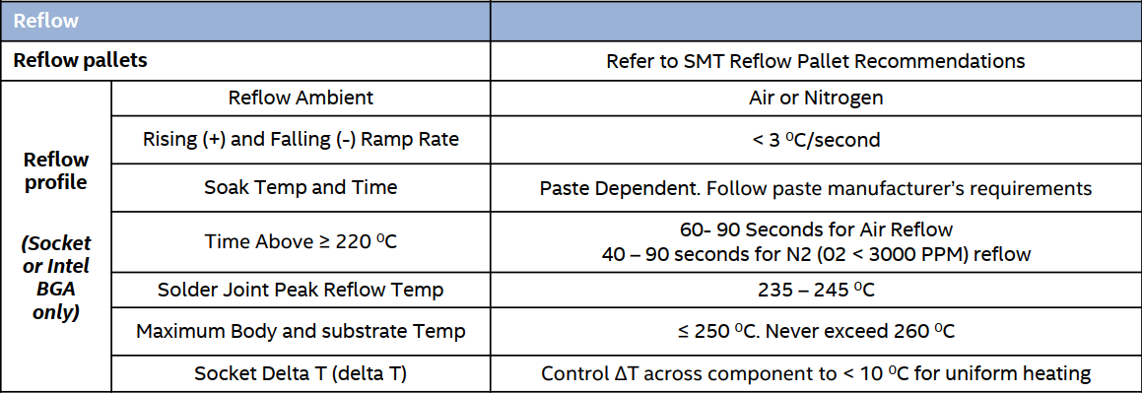

Thermocouple attach recommendations

